Sheet1
 |  |  |  | Configuration Exercise
Name: | Reem HANY

 |  | 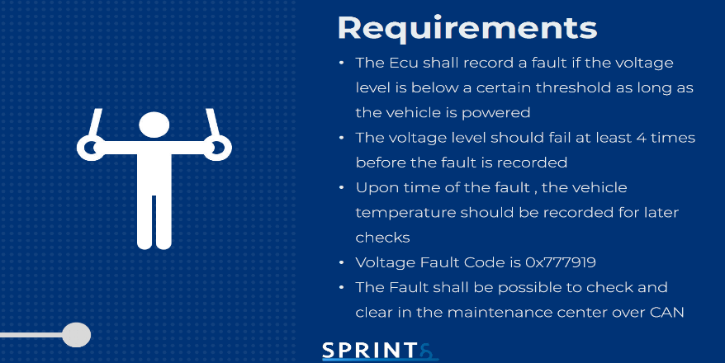 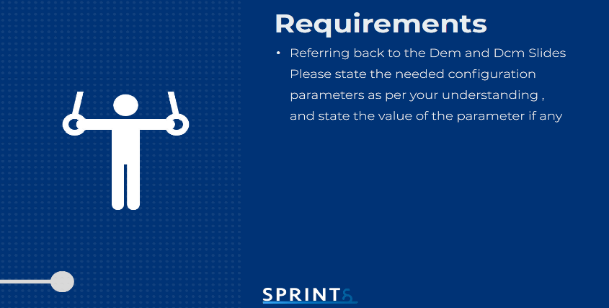

 |  |  | Operation Cycle: - DemOperationCycleId = 1 - DemOperationCycleType =DEM_OPCYC_POWER |  | DTC: - DemGroupOfDTC = { 0x777919}

 |  |  | DemDebounceCounterBasedClassRef: - DemDebounceCounterBasedClass= 4 |  | DcmDslProtocolRow: - DcmDslProtocolID = DCM_OBD_ON_CAN

